BOM
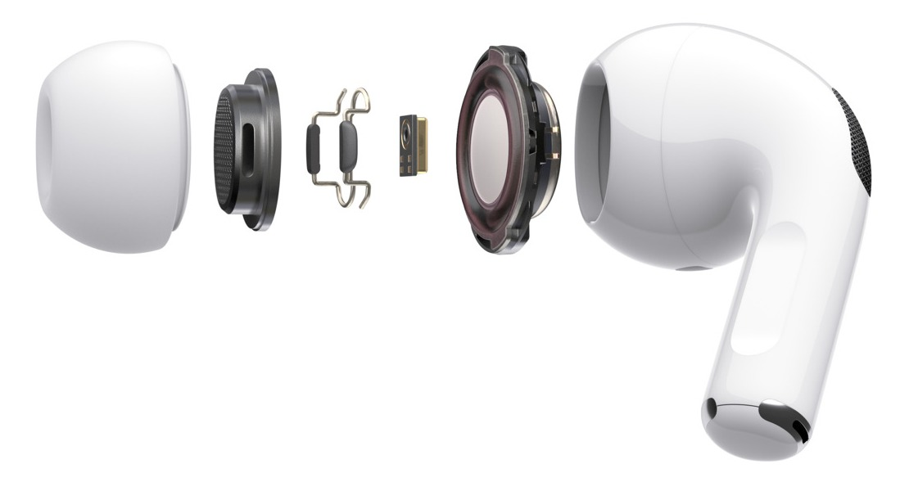
Bill of Materials (BOM) |  |  |  |  |  |  |  |  |  |  |  | Template by Formlabs
Product Name : | AirPods™ Pro
Assembly Name : | A1722 |  |  |  |  |  |  |  |  | [42]
Author: | John Doe
Assembly Revision : | 21
Approval Date : | 17-Dec-18

Part ID | Part Name | Category | Description | Critical | Qty | Units | Phase | Process | Procurement | Vendor | MOQ | Lead Time | Fixed Cost | Unit Cost | Cost
17221 | Shell1 | MTS | Shell Outer | Y | 1 | each | In Design | Injection Mold Multi-Cavity | MTS | IDMould | 5,000 | 90 | 55,000 | $0.42 | $0.42
17222 | Shell2 | MTS | Shell Inner | Y | 1 | each | In Design | Injection Mold Multi-Cavity | MTS | IDMould | 5,000 | 90 | 28,000 | $0.18 | $0.18
17223 | EndCap | MTS | Antenna Cap | N | 1 | each | In Design | Injection Mold, Electroplating | MTS | IDMould | 5,000 | 90 | 12,000 | $0.45 | $0.45
17224 | BeamPass | MTS | Antenna Window | N | 1 | each | In Design | Injection Mold | MTS | IDMould | 5,000 | 90 | 8,000 | $0.12 | $0.12
302201 | Grille1 | MTS | Grille Speaker | N | 1 | each | In Design | Die Cut | MTS | Luoju Metal | 2,000 | 40 | 750 | $0.15 | $0.15
302301 | Grille2 | MTS | Grille Mic #1 | N | 1 | each | In Design | Die Cut | MTS | Luoju Metal | 2,000 | 40 | 600 | $0.12 | $0.12
302321 | Grille3 | MTS | Grille Mic #2 | N | 1 | each | In Design | Die Cut | MTS | Luoju Metal | 2,000 | 40 | 400 | $0.12 | $0.12
20111 | ChrgPt | MTS | Charge Connector | N | 1 | each |  | Copper | MTS | Luoju Metal | 1,500 | 30 |  | $0.24 | $0.24
4211473 | AntMemb | MTS | EMI Shielding Membrane | N | 0.0006 | m2 | In Design | Roll | OTS | Eeonyx | 2,500 | 30 | 100 | $129.00 | $0.08
4504369 | GrommetM | OEM | Earbud Size M | N | 1 | 0.2 | RTS | LSR | OTS | Wellco | 10,000 | 14 | 0 | $0.20 | $0.20
343500130 | W1 | PCB1 | Wireless communication chip | Y | 1 | each | In Production |  | OTS | Apple | 50,000 | 60 |  | $3.82 | $3.82
948077140 | CY8C4146FN | PCB1 | PSoC | Y | 1 | each | RTS |  | OTS | Cypress | 20,000 | 21 |  | $1.86 | $1.86
22254886 | PCB1 | PCB1 | PCB Main | N | 1 | each | In Design |  | MTS | Foxconn | 5,000 | 90 | 1,500 | $5.23 | $5.23
22043 | WIR33 | PCB1 | Flatcable #1 | N | 0.022 | m | RTS |  | OTS | Conwire | 1,000 | 3 |  | $6.00 | $0.13
22043 | WIR34 | PCB1 | Flatcable #2 Battery | N | 0.013 | m | RTS |  | OTS | Conwire | 1,000 | 3 |  | $6.00 | $0.08
51254683 | COAConn12 | PCB1 | Coaxial Connector | N | 1 | each | RTS |  | MTS | Conwire | 20,000 | 20 | 1,000 | $0.06 | $0.06
922062448 | 98730EWJ | PCB2 | Audio Codec | Y | 1 | each | RTS |  | OTS | Maxim | 25,000 | 14 |  | $0.75 | $0.75
921558741 | TPS743 | PCB2 | LDO Voltage Regulator | N | 1 | each | RTS |  | OTS | Texas Instruments | 40,000 | 10 |  | $0.24 | $0.24
22254862 | PCB2 | PCB2 | PCB #2 | N | 1 | each | In Design |  | MTS | Foxconn | 5,000 | 90 | 1,500 | $1.15 | $1.15
22254851 | PCB3 | PCB3 | PCB #3 | N | 1 | each | In Design |  | MTS | Foxconn | 5,000 | 90 | 1,500 | $1.12 | $1.12
98844012 | ACM66 | Peripheral | Motion-Detecting Accelerometer | Y | 2 | each | In Production |  | MTS | STMicroelectronics | 50,000 | 50 |  | $0.80 | $1.60
98843558 | GOKY93mWHA1604 | Peripheral | Coin-Cell Battery | N | 1 | each | RTS |  | OTS | TONTEK | 10,000 | 7 |  | $0.32 | $0.32
98835688 | VL53LO | Peripheral | Optical Sensor | N | 2 | each | RTS |  | OTS | STMicroelectronics | 10,000 | 10 |  | $0.59 | $1.18
98838466 | DBF002B | Peripheral | Dual Beam-Forming Microphone | Y | 2 | each | In Production |  | MTS | Foxconn | 50,000 | 25 |  | $1.99 | $3.98
10030 | PIFA00320 | Peripheral | Bluetooth Antenna | Y | 1 | each | In Production |  | OTS | Pegatron | 5,000 | 70 |  | $0.85 | $0.85
2771 | BIS1 | Consumable | Industrial Two-Component Adhesive | N | 0.5 | mL | RTS |  | OTS | TAPIR |  | 2 |  | $0.06 | $0.03
 |  |  |  | Total Pieces |  |  |  |  |  |  | Total Fixed |  | $55,350.00 | Total | $24.48
 |  |  |  |  |  |  |  |  |  |  | Volume |  | 100,000 | Total Unit | $25.03

